注意事项
Decoration and Installation Precautions
Room | Number of Lamps | 220V Power Outlets to Be Reserved | Reserved Pre-wiring to Be Reserved in Advance | Construction Notes | Product Reference Drawing | Picture Reference/Remarks
Climbing Room | 45×5 arrangement | 1. Power supply at the power location (with ground wire recommended, 4mm² main wire) 2. Sockets required at the positions of controller, receiver and switch 3. Sockets required at the secondary screen position in the room (for secondary screen power supply) 4. Sockets required at the computer position in the room (for computer power supply) | 1. 4mm² main wire to the power location 2. Network cable reserved from switch to computer position 3. HDMI high-definition cable reserved from TV to computer position 4. 2×2.5mm² power cable reserved from power source to lamp positions (specific quantity refers to the wiring diagram) 5. 3×0.5mm² signal cable reserved from controller and receiver to lamp positions (specific quantity refers to the wiring diagram) | The wall surface needs to be load-bearing. Use solid wood boards or materials that are not easy to loosen when screwed for the surface (material thickness recommended above 10mm). Wall thickness recommended 15-20cm (for cable routing). |  | 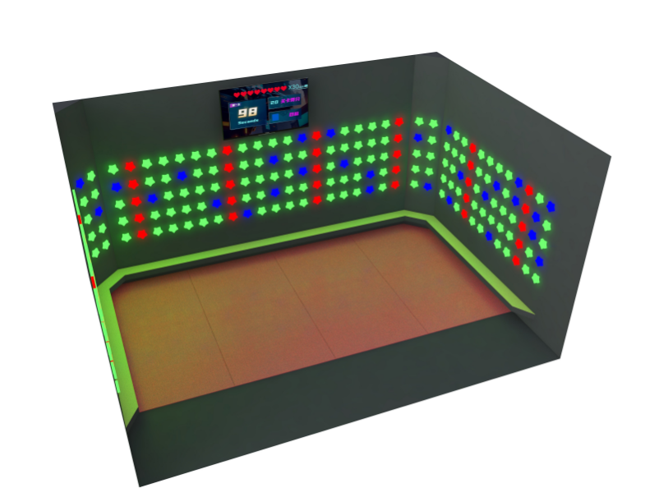

Reminder: If there is any unclear content, please contact the manufacturer for coordination before construction.

